RL
 |  |  |  |  |  |  |  |  |  |  |  |  |  |  |  | 10000 | £129.00 | £1,290,000.00 | $162.92 | $1,629,200.00
PHOTO | BRAND | REFERENCE | GENDER | CATEGORY | LINE | PRODUCT | DESCRIPTION | COLOR NAME | MADE IN | COMPO | S | M | L | XL | 2XL | QTY | RRP | TOT RRP | RRP $ | TOT RRP $ | 5 LOTS AVAILABLE
 | RL | 275871-1 | MEN | APPAREL | Regular | Pullover | Sewater | Black | Bangladesh | 100%CO | 138 | 275 | 275 | 275 | 138 | 1101 | £129.00 | £142,029.00 | $162.92 | $179,374.92
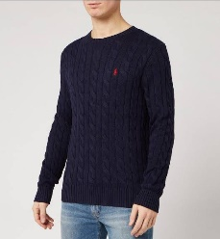 | RL | 275871-2 | MEN | APPAREL | Regular | Pullover | Sewater | Navy | Bangladesh | 100%CO | 172 | 345 | 345 | 345 | 172 | 1379 | £129.00 | £177,891.00 | $162.92 | $224,666.68
 | RL | 275871-3 | MEN | APPAREL | Regular | Pullover | Sewater | Olive | Bangladesh | 100%CO | 145 | 290 | 290 | 290 | 145 | 1160 | £129.00 | £149,640.00 | $162.92 | $188,987.20
 | RL | 275871-4 | MEN | APPAREL | Regular | Pullover | Sewater | Off White | Bangladesh | 100%CO | 73 | 145 | 145 | 145 | 73 | 581 | £129.00 | £74,949.00 | $162.92 | $94,656.52
 | RL | 275871-5 | MEN | APPAREL | Regular | Pullover | Sewater | Pink | Bangladesh | 100%CO | 120 | 240 | 240 | 240 | 120 | 960 | £129.00 | £123,840.00 | $162.92 | $156,403.20
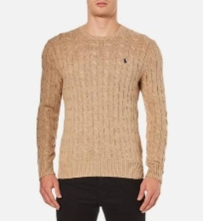 | RL | 275871-6 | MEN | APPAREL | Regular | Pullover | Sewater | Beige tone | Bangladesh | 100%CO | 105 | 210 | 210 | 210 | 105 | 840 | £129.00 | £108,360.00 | $162.92 | $136,852.80
 | RL | 275871-7 | MEN | APPAREL | Regular | Pullover | Sewater | Brown | Bangladesh | 100%CO | 122 | 245 | 245 | 245 | 122 | 979 | £129.00 | £126,291.00 | $162.92 | $159,498.68
 | RL | 275871-8 | MEN | APPAREL | Regular | Pullover | Sewater | Charcal | Bangladesh | 100%CO | 145 | 290 | 290 | 290 | 145 | 1160 | £129.00 | £149,640.00 | $162.92 | $188,987.20
 | RL | 275871-9 | MEN | APPAREL | Regular | Pullover | Sewater | Grey | Bangladesh | 100%CO | 132 | 265 | 265 | 265 | 132 | 1059 | £129.00 | £136,611.00 | $162.92 | $172,532.28
 | RL | 275871-10 | MEN | APPAREL | Regular | Pullover | Sewater | Blue | Bangladesh | 100%CO | 98 | 195 | 195 | 195 | 98 | 781 | £129.00 | £100,749.00 | $162.92 | $127,240.52

